Specification
B U Y I N G S P E C I F I C A T I O N
ALL ARTWORK, IMAGES, PHOTOGRAPHY, BRANDING IS SOLE PROPERTY OF A2V (AND ITS GLOBAL LICENSES) AND IS PROTECTED BY TRADEMARK & COPYRIGHT LAWS - ALL CORRESPONDENCE IS CONFIDENTIAL
所有设计图稿，图像，摄影作品，品牌商标均是A2V 及其全球许可的专有财产，并且受商标法和版权法保护 所有沟通内容都需要保密.

A2V's Product Developer |  |  |  |  |  | PF Name |  |  |  |  |  |  |  |  | Received & Understood by PF - Signature
Chantelle Bartlett |  |  |  |  |  | Ningbo AJ Union Imp&Exp .Co.Ltd |  |  |  |  |  |  |  |  | Krystal Yang

Final Packaged Information |  |  |  |  |  |  |  |  |  |  |  |  | Product Title & Image: Black Tape Dispenser
Sizing (in mm) |  |  |  |  |  |  |  |  | Weight |  |  |  | 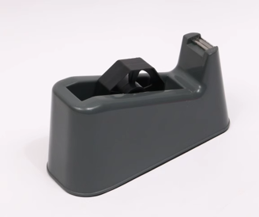 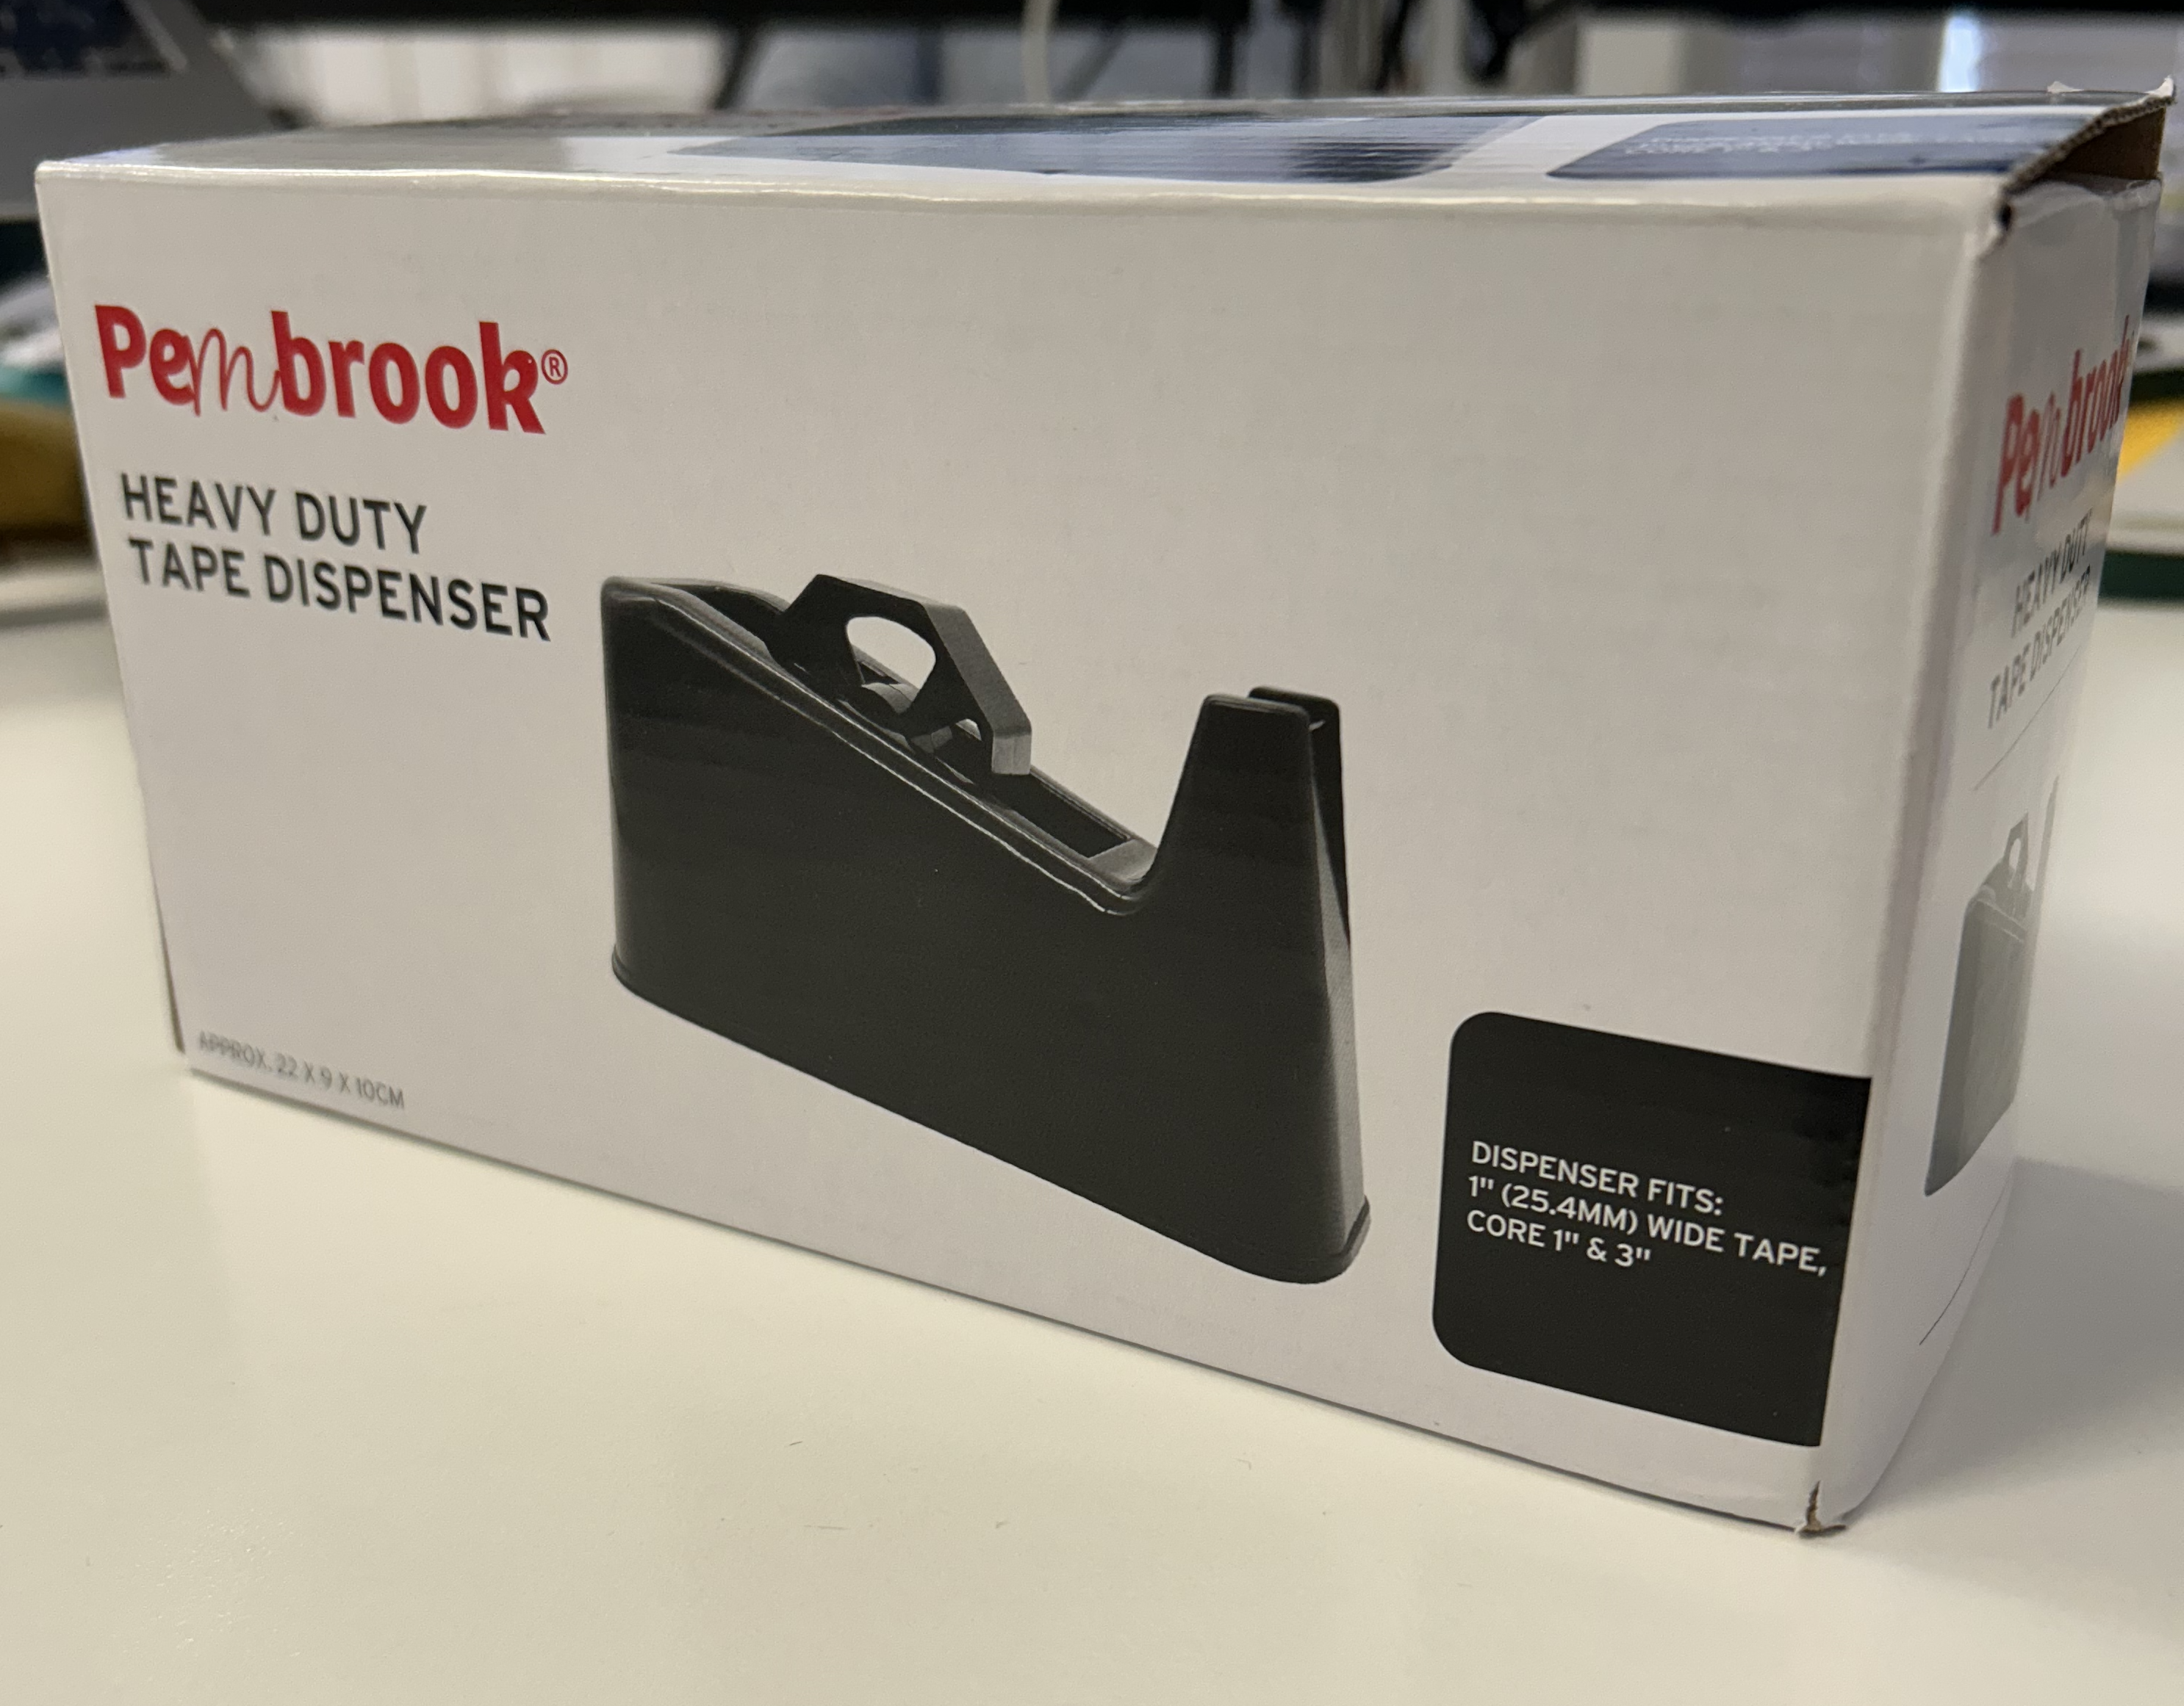
219 x 109 x 90mm |  |  |  |  |  |  |  |  | 1.34kg

Age Target |  | Own Brand / Licensed |  |  | Territory Sold |  |  |  | (Highlight as appropirate)
14+ |  | OB- Pembrook |  |  | UK |  | EUR | AUS |  | USA | EMEA

Product Overview
Item Title | Reference Image/s |  | Colour | Finish |  | Description |  |  |  |  |  |  |  | Item Size |  | Please use mm | Quantities | Quality Compliance Comments
Tape Dispenser | 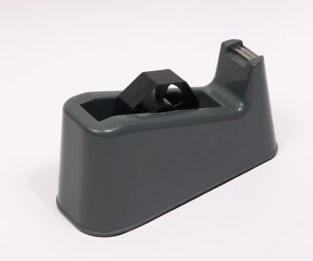 |  | Black | n/a |  | > Black > Size: 215 x 90 x 109mm > Weight: 1300g > Material: PP + Metal |  |  |  |  |  |  |  | Size: 217 x 86 x 104mm |  |  | 1 | Sharp Edges
Address Sticker | 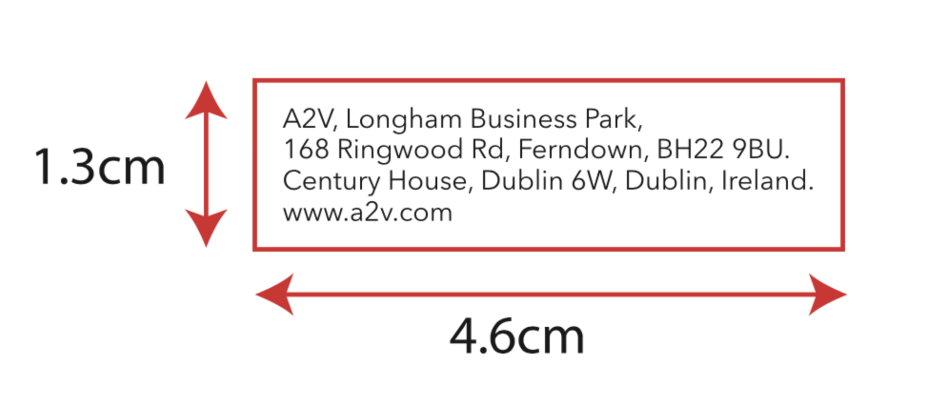 |  | 1C/0C | Uncoated |  | > 80gsm paper sticker > Approx. 13 x 31mm |  |  |  |  |  |  |  | Approx. 13 x 31mm |  |  | 1

Packaging Overview
Format | Reference Image/s |  | Colour | Finish |  | Material |  | Description |  |  |  |  |  | Item Size |  | Please use mm | Quantities | Quality Compliance Comments
One-piece Box | 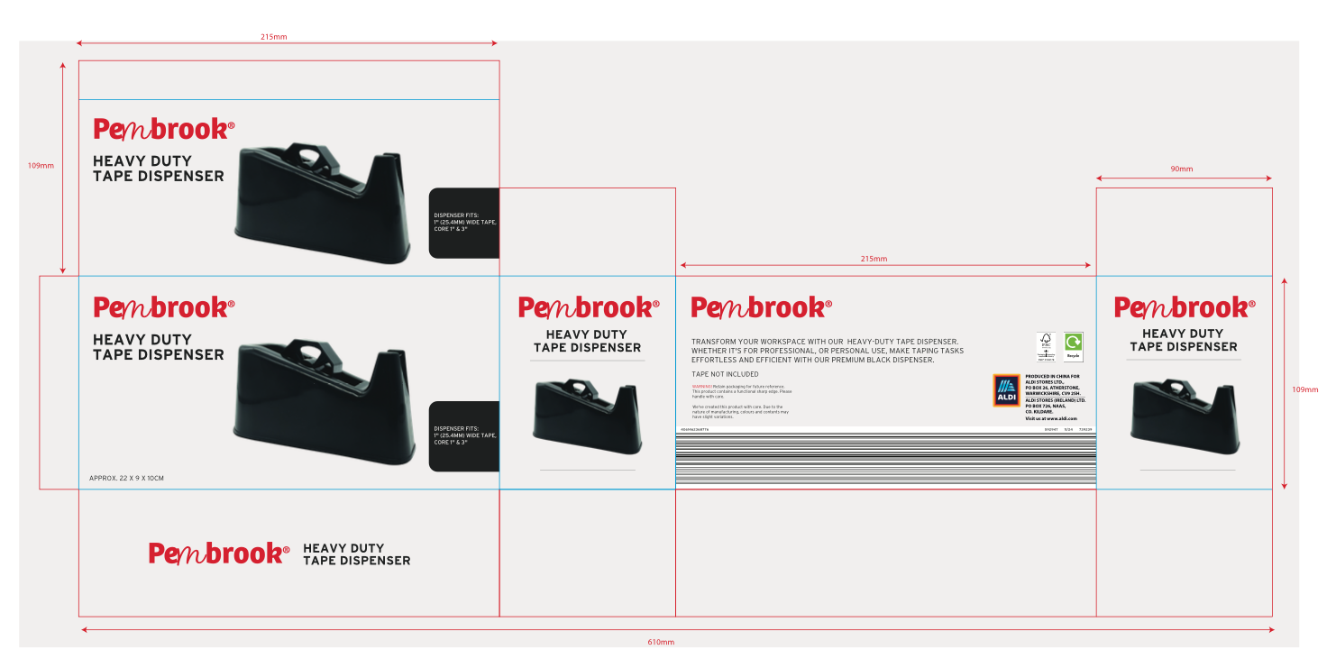 |  | 4C/0C | Matte acqeous finish |  | E-Flute |  | > One-piece corrugated box > 4C/0C > Matte acqeous finish, (no lamination) > FSC > Size TBC by PF > Cutter guides to be provided by PF > Artwork to be provided by A2V |  |  |  |  |  | 109 x 219 x 90mm |  |  | 1
+Micropak | 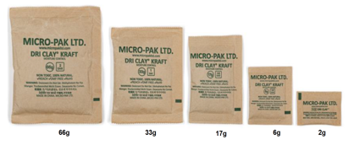 |  |  |  |  |  |  | Micropak moisture system. See A2V's supplier manual sheet for sourcing and quantities |  |  |  |  |  |  |  |  |  | Please ensura that micro paks are packed into cartons to avoid any damp damage to products.

PDQ / CDU Overview
Format | Reference Image/s |  | Colour | Finish |  | Material |  | Description |  |  |  | Product Layout |  | Item Size |  | Please use mm | Quantities | Quality Compliance Comments
 |  |  |  |  |  |  |  | > > >

All products MUST be sourced in accordance with our specified requirements - key contacts:
 |  |  |  | Becks Beere: beck@a2v.com |  |  |  |  |  |  | Product Team: product@a2v.com

